listado de hy
ENTRIES | HIBRID | BRAND
26 | MD2 - AX7039MQK2 | BAYER
25 | MD1 - AX7370MQK1 | BAYER
24 | BRV8380PWUE | BREVANT
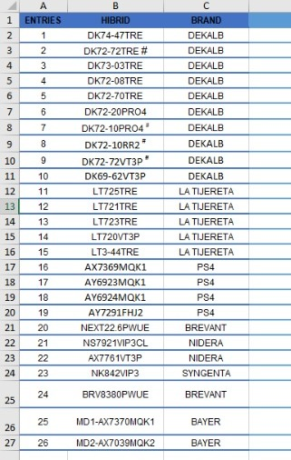
23 | NK842VIP3 | SYNGENTA
22 | AX7761VT3P | NIDERA
21 | NS7921VIP3CL | NIDERA
20 | NEXT22.6PWUE | BREVANT
19 | AY7291FHJ2 | PS4
18 | AY6924MQK1 | PS4
17 | AY6923MQK1 | PS4
16 | AX7369MQK1 | PS4
15 | LT3-44TRE | LA TIJERETA
14 | LT720VT3P | LA TIJERETA
13 | LT723TRE | LA TIJERETA
12 | LT721TRE | LA TIJERETA
11 | LT725TRE | LA TIJERETA
10 | DK69-62VT3P | DEKALB
9 | DK72-72VT3P# | DEKALB
8 | DK72-10RR2# | DEKALB
7 | DK72-10PRO4# | DEKALB
6 | DK72-20PRO4 | DEKALB
5 | DK72-70TRE | DEKALB
4 | DK72-08TRE | DEKALB
3 | DK73-03TRE | DEKALB
2 | DK72-72TRE | DEKALB
1 | DK74-47TRE | DEKALB

